Overview
ACSC Strategies to mitigate Cyber security incidents
Introduction: The ACSC Australian Signals Directorate Essential 8 is the fundamental level that Australian businesses should strive to achieve in their cyber resiiency. Though there are many more controls that will significantly reduce the risk of cyber breach. This Spreadsheet is designed to help with planning a strategy for businesses that incorporate the ACSC's recommendations and also take into consideration some of the international standards that the ACSC ASD essential 8 is dervied from.

ASD essential 8 Maturity | Description | Additional details
Maturity Level zero | This maturity level signifies that there are weaknesses in an organisation’s overall cyber security posture. When exploited, these weaknesses could facilitate the compromise of the confidentiality of their data, or the integrity or availability of their systems and data, as described by the tradecraft and targeting in Maturity Level One below.
Maturity Level one | The focus of this maturity level is adversaries who are content to simply leverage commodity tradecraft that is widely available in order to gain access to, and likely control of, systems. For example, adversaries opportunistically using a publicly-available exploit for a security vulnerability in an internet-facing service which had not been patched, or authenticating to an internet-facing service using credentials that were stolen, reused, brute forced or guessed. | Generally, adversaries are looking for any victim rather than a specific victim and will opportunistically seek common weaknesses in many targets rather than investing heavily in gaining access to a specific target. Adversaries will employ common social engineering techniques to trick users into weakening the security of a system and launch malicious applications, for example via Microsoft Office macros. If the account that an adversary compromises has special privileges they will seek to exploit it. Depending on their intent, adversaries may also destroy data (including backups).
Maturity Level Two | The focus of this maturity level is adversaries operating with a modest step-up in capability from the previous maturity level. These adversaries are willing to invest more time in a target and, perhaps more importantly, in the effectiveness of their tools. For example, these adversaries will likely employ well-known tradecraft in order to better attempt to bypass security controls implemented by a target and evade detection. This includes actively targeting credentials using phishing and employing technical and social engineering techniques to circumvent weak multi-factor authentication. | Generally, adversaries are likely to be more selective in their targeting but still somewhat conservative in the time, money and effort they may invest in a target. Adversaries will likely invest time to ensure their phishing is effective and employ common social engineering techniques to trick users to weaken the security of a system and launch malicious applications, for example via Microsoft Office macros. If the account that an adversary compromises has special privileges they will seek to exploit it, otherwise they will seek accounts with special privileges. Depending on their intent, adversaries may also destroy all data (including backups) accessible to an account with special privileges.
Maturity Level Three | The focus of this maturity level is adversaries who are more adaptive and much less reliant on public tools and techniques. These adversaries are able to exploit the opportunities provided by weaknesses in their target’s cyber security posture, such as the existence of older software or inadequate logging and monitoring. Adversaries do this to not only extend their access once initial access has been gained to a target, but to evade detection and solidify their presence. Adversaries make swift use of exploits when they become publicly available as well as other tradecraft that can improve their chance of success. | Generally, adversaries may be more focused on particular targets and, more importantly, are willing and able to invest some effort into circumventing the idiosyncrasies and particular policy and technical security controls implemented by their targets. For example, this includes social engineering a user to not only open a document but also to unknowingly assist in bypassing security controls. This can also include circumventing stronger multi-factor authentication by stealing authentication token values to impersonate a user. Once a foothold is gained on a system, adversaries will seek to gain privileged credentials or password hashes, pivot to other parts of a network, and cover their tracks. Depending on their intent, adversaries may also destroy all data (including backups).
Further reading on maturity levels | https://www.cyber.gov.au/acsc/view-all-content/publications/essential-eight-maturity-model
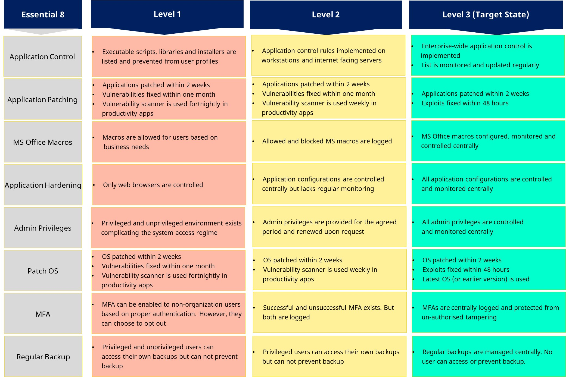
ACSC Strategies to mitigate Cyber security incidents | Strategies to Mitigate Cyber Security Incidents – Mitigation Details | Cyber.gov.au

Worksheets Mapped to NIST CSF | https://www.nist.gov/cyberframework
Identify / Detect | Mitigation strategies to detect cyber security incidents and respond

Protect | Mitigation Strategies to prevent malware delivery and execution

Respond | Restricting the extent of a cyber incident

Recover | Mitigation strategies to recover data and system availability

Priority
Mitigated
Risk accepted
Low
Medium
High
Urgent

Effort
Mitigated
Easy
Moderate
Complex
----------

Product / Consultancy / Mix
Product
Consultancy
Both
----------

ASD Maturity level
0
1
2
3

